Front Cover
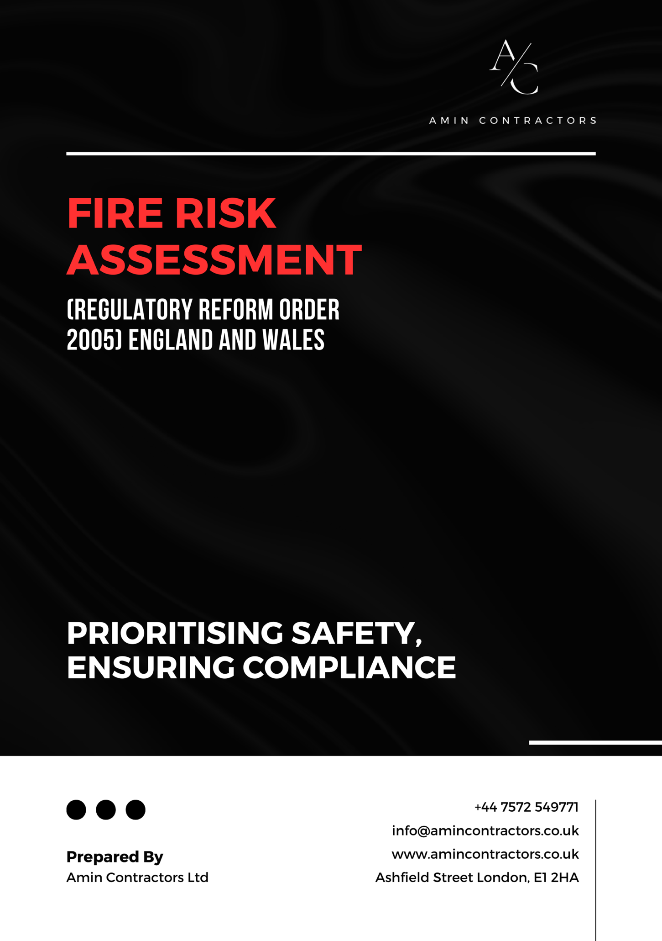

Photos:

PHOTOGRAPHS
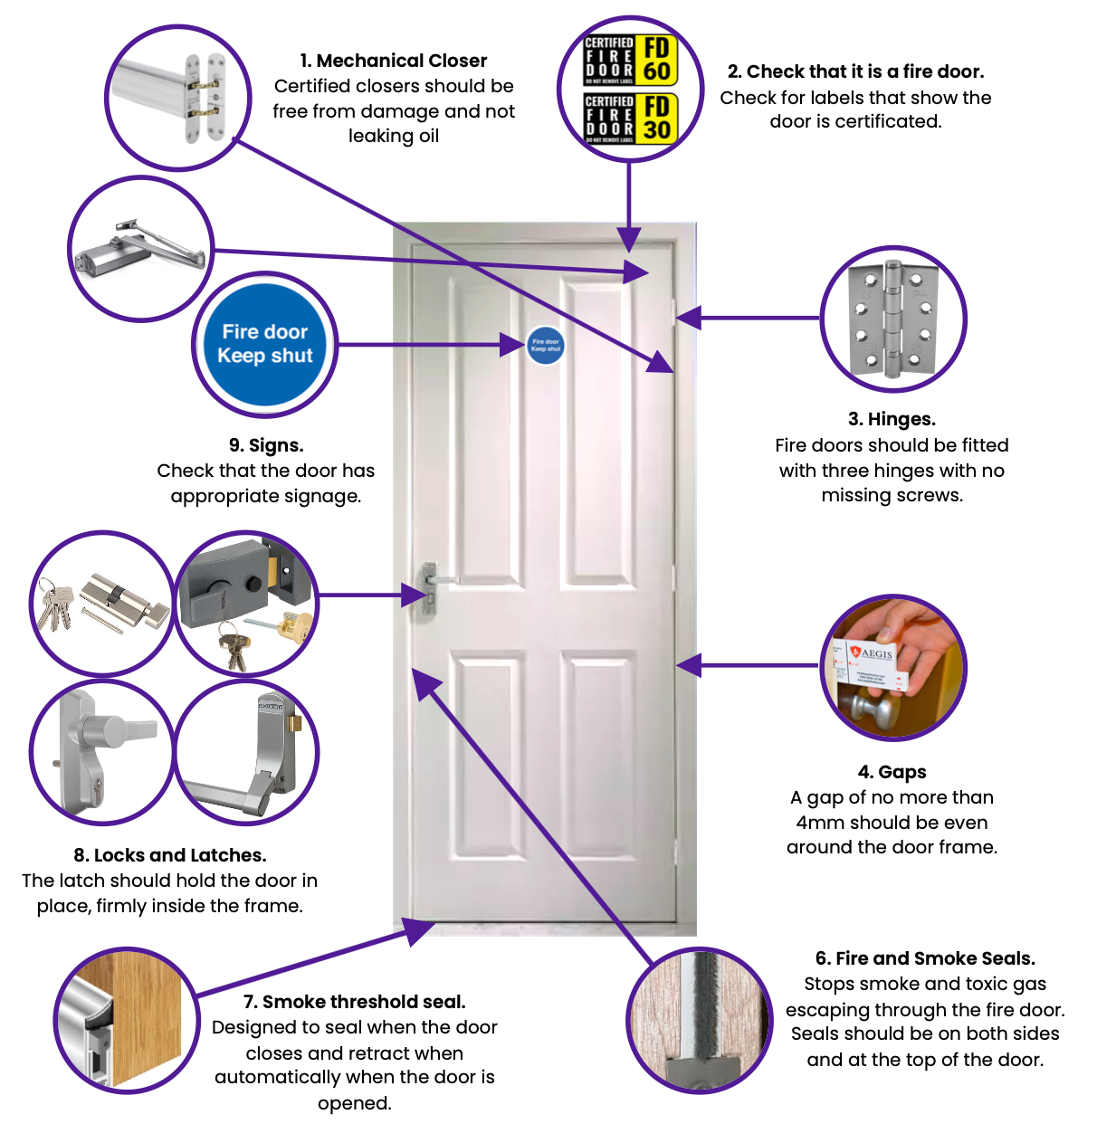
PHOTOGRAPHS - (reference to index number of action)

To add page breaks after each page:
<Page Layout>
<Breaks>
<Insert Page Break>

To remove page breaks:
<Page Layout>
<Breaks>
<Reset all page breaks>

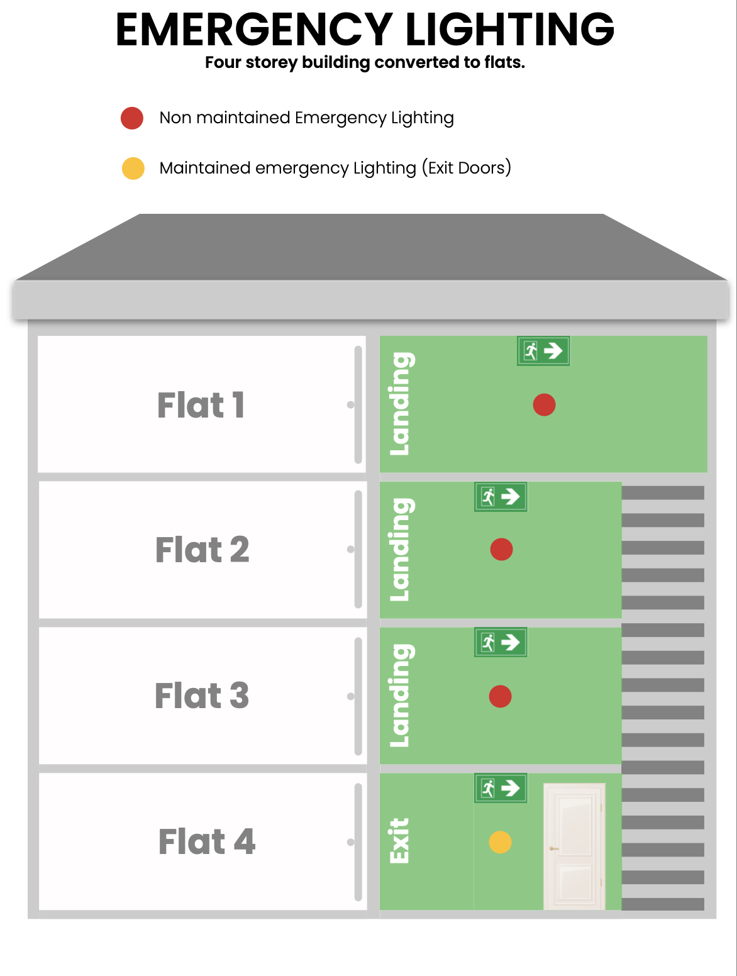

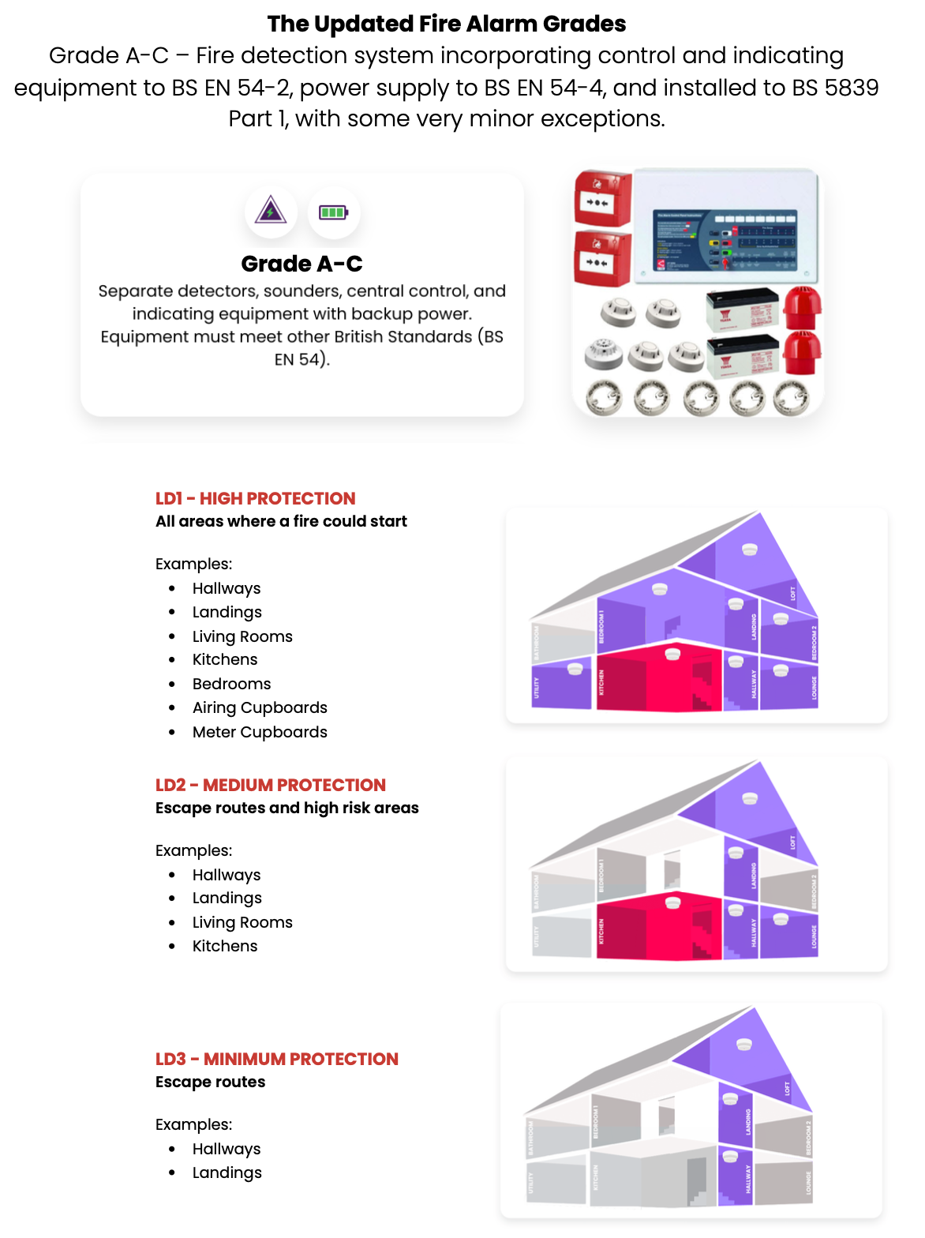

 | Fire Boarding
 | Fire rated encasement is required for ceilings and electrics in all common areas.
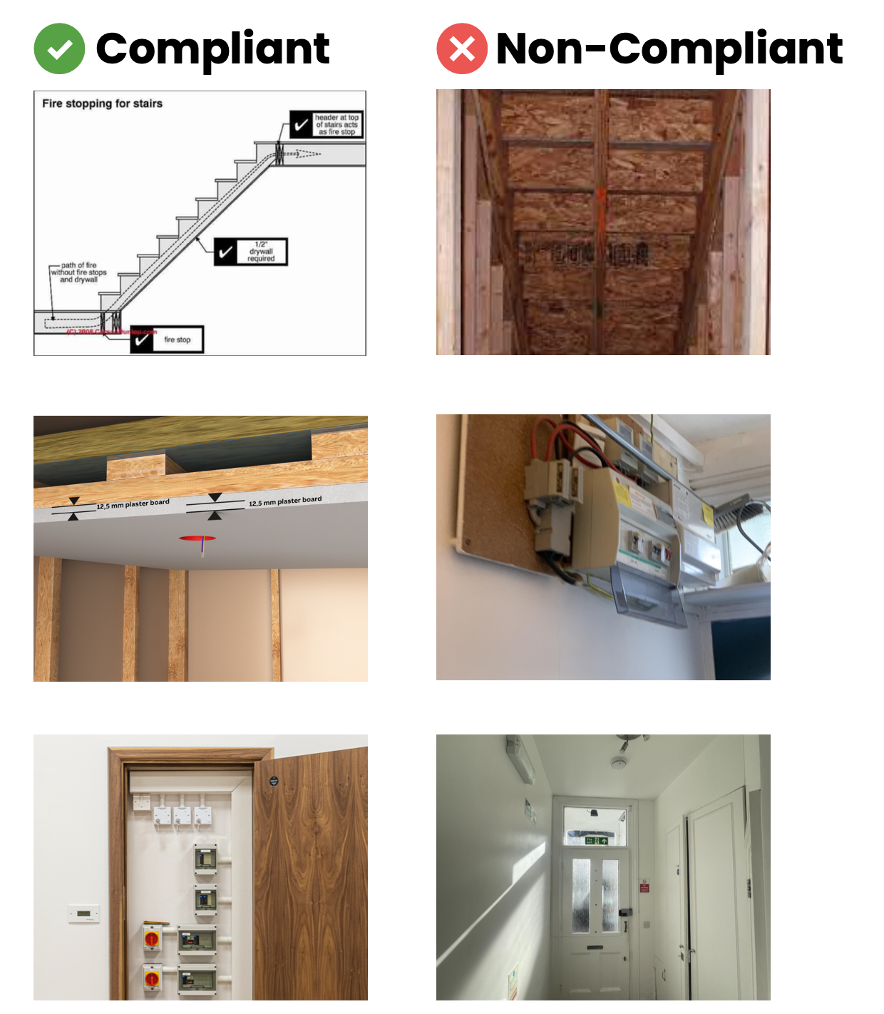

 | Fire Door Compliance
 | Flat Entrance Doors
 | New regulations from January 2023
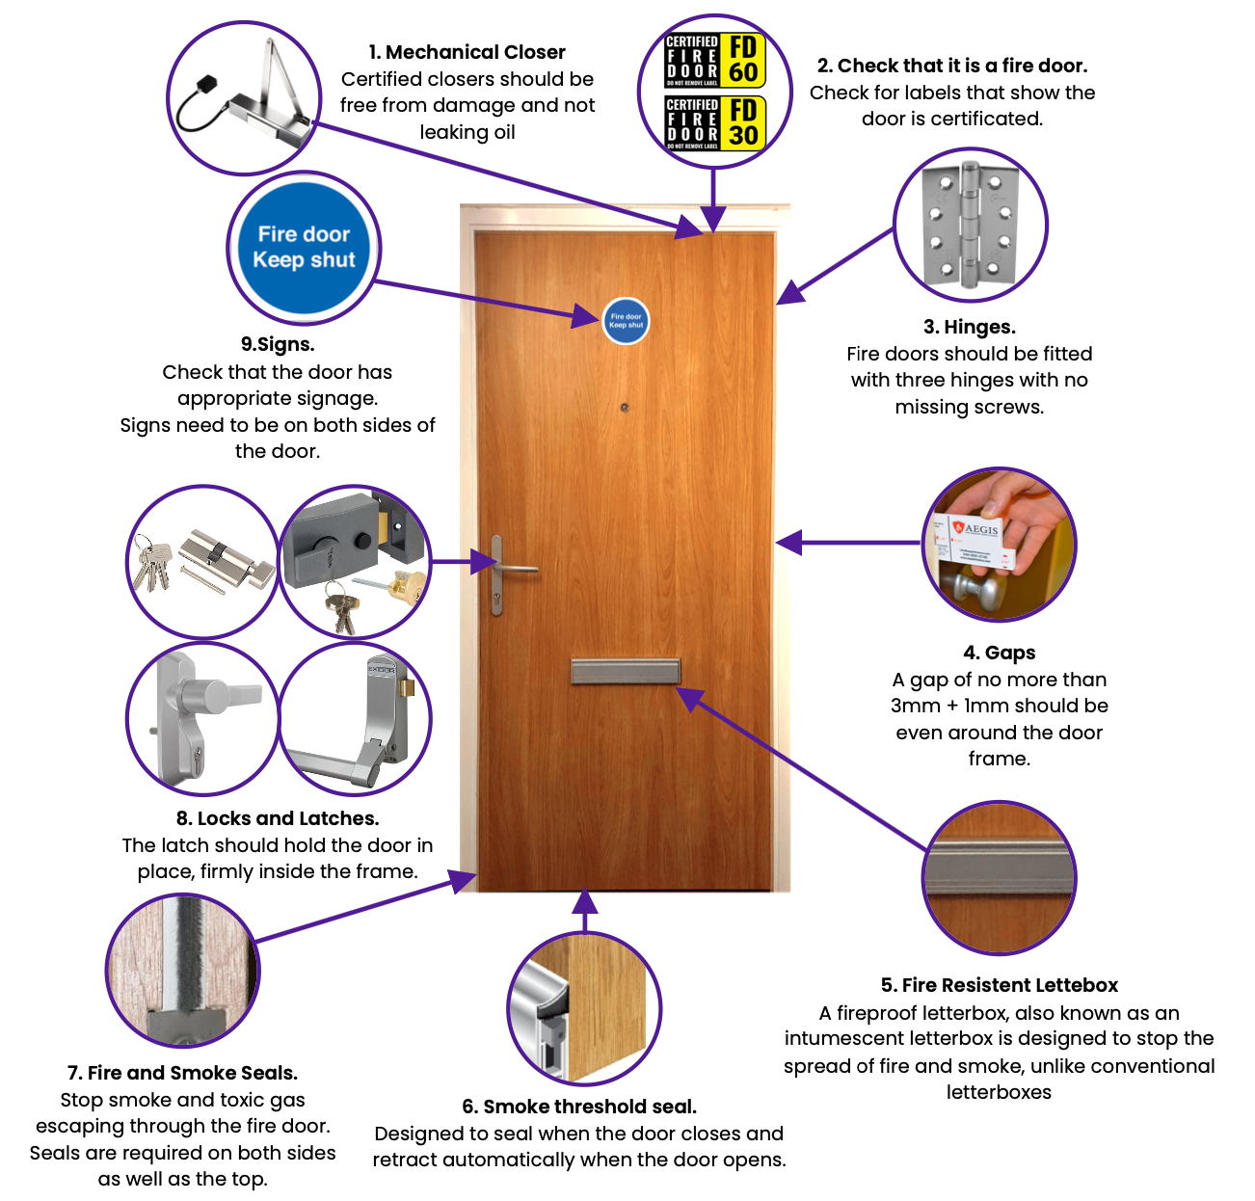

 | Fire Door Compliance
 | Landlords, HMO' s & Kitchen Doors
 | New regulations from January 2023

